Calculations
 |  |  |  |  |  |  | [GL-13]
Principal Particulars

LWL | 76.4 | m
L | 74.4 | m | (LBP)
B | 13.54 | m
D | 5.1 | m
T | 3.85 | m
Cb | 0.79
v0 | 10 | kn
 | 5.144 | m/s

k | 0.78 |  |  | [Chapter-1, Section-2, A.2.1]
ReH | 315 | N/mm^2

Design Loads |  |  |  | [Chapter-1, Section-4]

F |  | 0.12752819633

m |  | 1

m0 |  | 1.6275281963

av |  | 0.12752819633

cL |  | 0.90921211313

cRW |  | 1

c0 |  | 7.076

f |  | 1
 |  | 0.75
 |  | 0.6

p0 |  | 15.098015393 | kN/mm^2

pL |  | 28.08967601 | kN

z |  | 3
cF |  | 1
cD |  | 1

External Sea Loads

Load on weather decks |  |  | pD |  | 24.912615135 | kN/m^2

Load on the ship's bottom |  |  | pB |  | 53.598015393 | kN/m^2

Load on the ship's sides |  |  | pS |  | 35.362702713 | kN/m^2

Shell Structures |  |  |  | [Chapter-1, Section-6]

Permissible design stress |  |  |  | 284.64957265 | N/mm^2
 |  |  |  | 285 | N/mm^2

Minimum plate thickness |  |  | tmin | 10.117873719 | mm |  | c1 | 1 |  | [L>50m]
 |  |  |  | 11 | mm |  | tK | 2.5 | mm | [Corrosion Addition]

Plate thickness
$$t=c_{1}∗\sqrt{L∗k}+t_{k}$$
Thickness of bottom shell plating |  |  |  | tB1 |  |  |  | 10.117873719 | mm |  |  | nf | 0.83 |  | [Longitudinal framing system]
 |  |  |  |  |  |  |  | 11 | mm |  |  | a | 550 | mm | [Frame spacing]
 |  |  |  |  |  |  |  |  |  |  |  |  | 0.55 | m
$$t=1.9∗n_{f}∗a∗\sqrt{L∗k}+t_{k}$$
 |  |  |  | tB2 |  |  |  | 9.1073627703 | mm
 |  |  |  |  |  |  |  | 10 | mm

 |  |  | Thus, | tB | 10 | mm

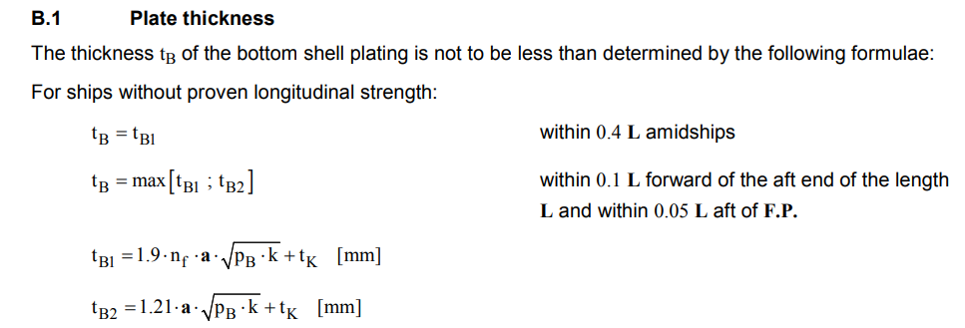

Bilge Strake

Minimum width of bilge strake |  |  |  | b | 1172 | mm
 |  |  |  |  | 1200 | mm

Minimum thickness of bilge strake |  |  |  | t | 10.117873719 | mm
 |  |  |  |  | 11 | mm

Flat Plate Keel

Minimum width of flat plate keel |  |  |  | b | 1172 | mm
 |  |  |  |  | 1200 | mm

Thickness of flat plate keel |  |  |  | tFK | 12 | mm

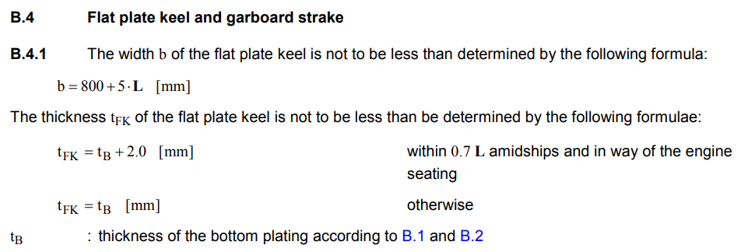

Side Shell Plating

Thickness of side shell plating |  |  |  | tS1 | 7.0552729956 | mm
 |  |  |  |  | 8 | mm

 |  |  |  | tS2 | 5.9951682465 | mm
 |  |  |  |  | 6 | mm

 |  |  |  | t | 11 | mm | [Minimum plate thickness]

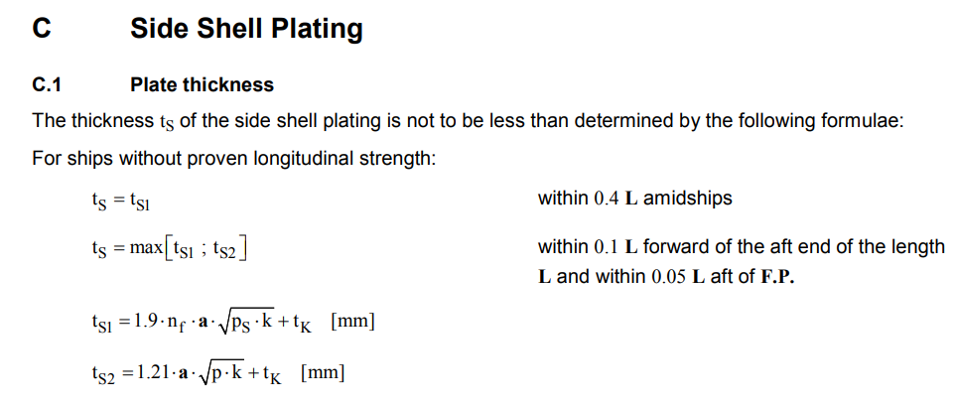

Sheerstrake

Width of the sheerstrake |  |  | b |  | 1172 | mm
 |  |  |  |  | 1200 | mm

Maximum width of the sheerstrake |  |  | bmax |  | 1800 | mm

Thickness of the sheerstrake |  |  | t |  | 9.5 | mm

Bulwark

Thickness of bulwark plating |  |  | t |  | 1.4640520198 | mm
 |  |  |  |  | 2 | mm

Minimum vertical bulwark height |  |  |  |  | 1000 | mm
 |  |  |  |  | 1 | m

Decks |  |  |  | [Chapter-1, Section-7]

Minimum plate thickness |  |  | tmin |  | 5.3318877901 | mm
 |  |  |  |  | 8 | mm

Bottom Structures |  |  |  | [Chapter-1, Section-8]

Longitudinal Girder System

Plate thickness of the longitudinal girders |  |  |  | t |  | 4.5178872712 | mm
 |  |  |  |  |  | 6 | mm | [Minimum thickness]

Minimum plate thickness |  |  |  | tmin |  | 5.2990565198 | mm
 |  |  |  |  |  | 6 | mm

Center Girder

Depth of the center girder |  |  | h |  | 523.25 | mm
 |  |  |  |  | 600 | mm |  | [Minimum depth]

Minimum depth |  |  | hmin |  | 600 | mm

Thickness of the center girder |  |  | tm |  | 6.1822326064 | mm
 |  |  |  |  | 7 | mm

Side Girders

Thickness of the side girders |  |  | tm |  | 4.4158804332 | mm
 |  |  |  |  | 6 | mm |  | [Minimum thickness]

Inner Bottom Plating

Thickness of the inner bottom plating |  |  |  | t | 5.6774256786 | mm
 |  |  |  |  | 6 | mm

Plate Floors

Thickness of plate floors |  |  | tpf |  | 5.2336478267 | mm
 |  |  |  |  | 6 | mm

Floor thickness |  |  | t |  | 6.3 | mm |  |  | P | 650 | HP
 |  |  |  |  | 7 | mm |  |  |  | 484.9 | kW

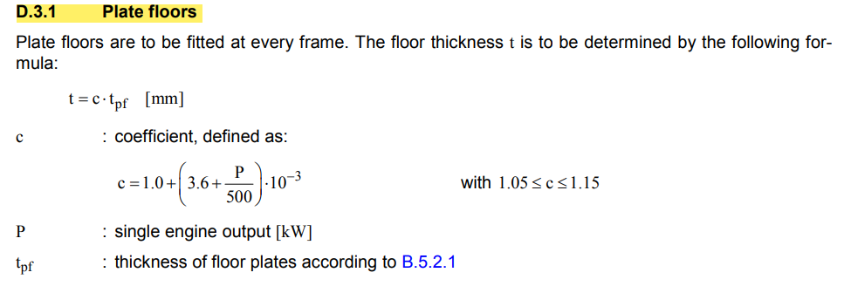
 |  |  |  |  |  |  |  |  | c | 1.0045698
 |  |  |  |  |  |  |  |  |  | 1.05 | [minimum]

Longitudinal Girder System

Plate thickness of longitudinal girders |  |  |  | t | 6.3871294585 | mm
 |  |  |  |  | 7 | mm

Thickness of longitudinal girders |  |  |  | t | 11.685654462 | mm
 |  |  |  |  | 12 | mm

Watertight Bulkheads |  |  |  | [Chapter-1, Section-10]

Bulkhead Plating

Thickness of collision bulkhead plating |  |  |  | t | 6.4118034966 | mm |  |  | f | 0.78
 |  |  |  |  | 7 | mm |  |  | cp | 0.9714936953 | [collision bulkhead]
 |  |  |  |  |  |  |  |  |  | 0.79485847797 | [others]
Thickness of other bulkhead plating |  |  |  | t | 5.7005664972 | mm
 |  |  |  |  | 6 | mm

